PREMIUM
R.br. | Slika | NARUDŽBA | Naručivanje | Šifra | Naziv | Dimenzija (cm) | Barcode | VPC | VPC+PDV
1 |  |  | kom | XVR180M | PREMIUM M | 18*23*11 | 8595027438438 | 1.11 € | 1.39 €
5 |  |  | 12 kom | XVR13-2411-M | PREMIUM M | 18*23*11 | 8595027438438 | 1.11 € | 1.39 €
3 |  |  | 12 kom | XVR10-2405-M | PREMIUM M | 18*23*11 | 8595027438438 | 1.11 € | 1.39 €
4 |  |  | 12 kom | XVR10-2423-M | PREMIUM M | 18*23*11 | 8595027438438 | 1.11 € | 1.39 €
7 |  |  | 12 kom | XVR14-2420-M | PREMIUM M | 18*23*11 | 8595027438438 | 1.11 € | 1.39 €
6 |  |  | 12 kom | XVR13-2404-M | PREMIUM M | 18*23*11 | 8595027438438 | 1.11 € | 1.39 €
2 |  |  | 12 kom | XVR10-2416-M | PREMIUM M | 18*23*11 | 8595027438438 | 1.11 € | 1.39 €
11 |  |  | 12 kom | XVR13-2411-L | PREMIUM L | 26*32*12 | 8595027438421 | 1.52 € | 1.90 €
8 |  |  | 12 kom | XVR10-2405-L | PREMIUM L | 26*32*12 | 8595027438421 | 1.52 € | 1.90 €
13 |  |  | 12 kom | XVR10-2423-L | PREMIUM L | 26*32*12 | 8595027438421 | 1.52 € | 1.90 €
10 |  |  | 12 kom | XVR14-2420-L | PREMIUM L | 26*32*12 | 8595027438421 | 1.52 € | 1.90 €
9 |  |  | 12 kom | XVR13-2404-L | PREMIUM L | 26*32*12 | 8595027438421 | 1.52 € | 1.90 €
12 |  |  | 12 kom | XVR10-2416-L | PREMIUM L | 26*32*12 | 8595027438421 | 1.52 € | 1.90 €
15 |  |  | 12 kom | XVR13-2411-XL | PREMIUM XL | 31x42x12 | 8595027440035 | 1.90 € | 2.38 €
14 |  |  | 12 kom | XVR10-2405-XL | PREMIUM XL | 31x42x12 | 8595027440035 | 1.90 € | 2.38 €
18 |  |  | 12 kom | XVR10-2423-XL | PREMIUM XL | 31x42x12 | 8595027440035 | 1.90 € | 2.38 €
16 |  |  | 12 kom | XVR14-2420-XL | PREMIUM XL | 31x42x12 | 8595027440035 | 1.90 € | 2.38 €
17 |  |  | 12 kom | XVR13-2404-XL | PREMIUM XL | 31x42x12 | 8595027440035 | 1.90 € | 2.38 €
19 |  |  | 12 kom | XVR10-2416-XL | PREMIUM XL | 31x42x12 | 8595027440035 | 1.90 € | 2.38 €
 |  |  | Po 12 kom | XVRTASK380 | PREMIUM BOCA | 12*36*8.7 | 8595027438629 | 1.16 € | 1.45 €
20 |  |  | Po 12 kom | DT0010 | PREMIUM BOCA | 12*36*8.5 | 8595027438629 | 1.16 € | 1.45 €
23 |  |  | Po 12 kom | VR2109B | PREMIUM BOCA | 12x36x9 | 8595027438629 | 1.16 | 1.45
25 | 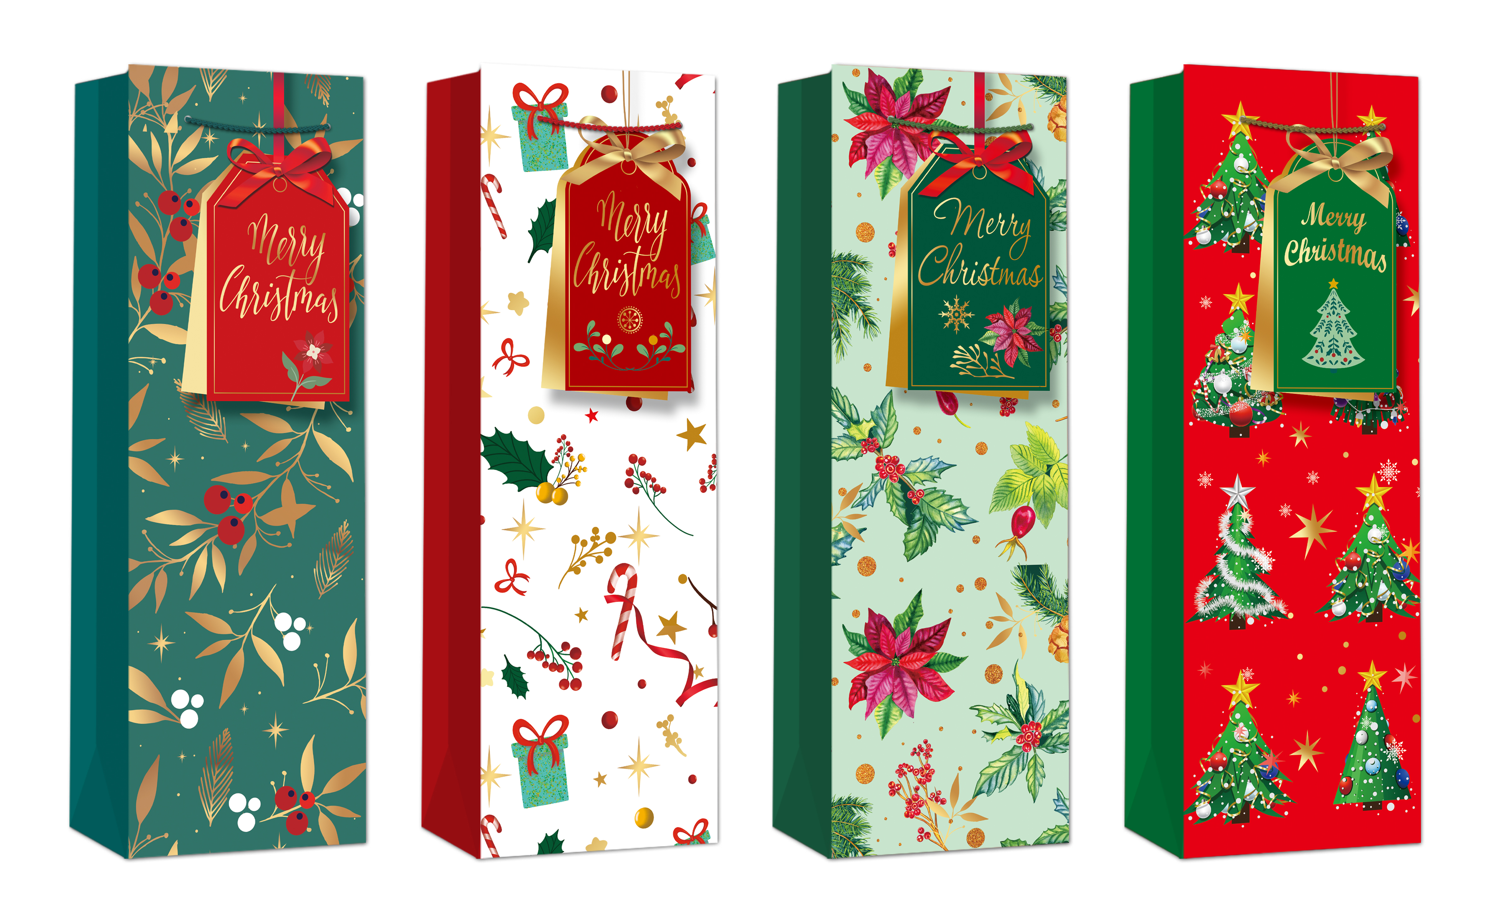 |  | Po 12 kom | XVRC361B | PREMIUM BOCA | 12x36x10 | 8595027438629 | 1.16 | 1.45
24 | 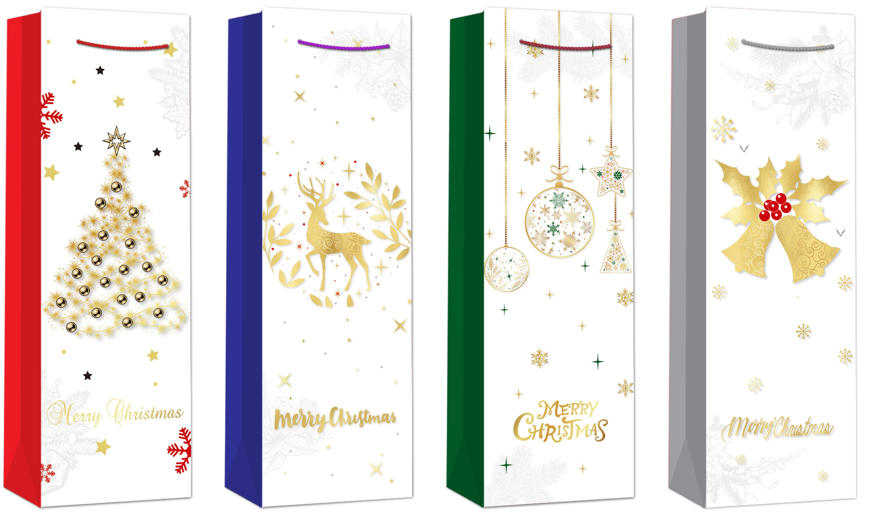 |  | Po 12 kom | XVRC365B | PREMIUM BOCA | 12x36x10 | 8595027438629 | 1.16 | 1.45
21 | 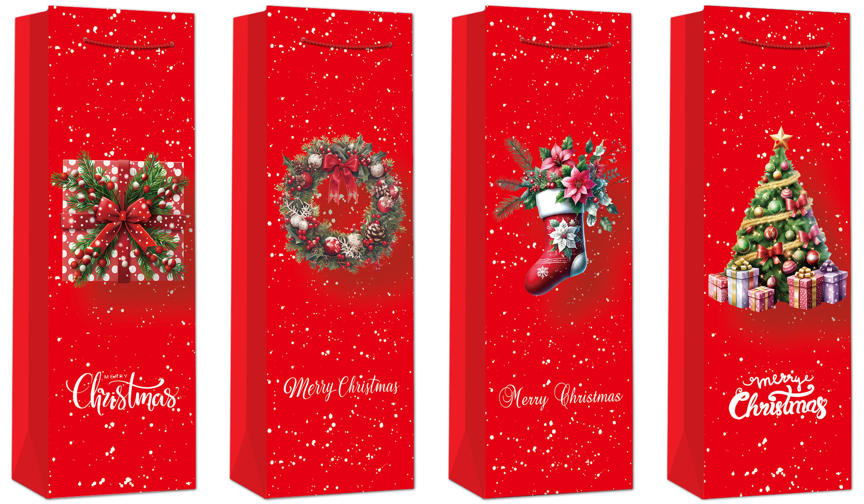 |  | Po 12 kom | XVRC366B | PREMIUM BOCA | 12x36x10 | 8595027438629 | 1.16 | 1.45
22 |  |  | Po 12 kom | XVRC908B | PREMIUM BOCA | 12x36x10 | 8595027438629 | 1.16 | 1.45
 |  |  |  |  |  |  | Mueller
 |  |  |  |  | Premium S |  | 119544
 |  |  |  |  | Premium M | 0 | 119595
 |  |  |  |  | Premium L | 0 | 119653
 |  |  |  |  | Premium XL | 0 | 119662
 |  |  |  |  | Premium BOCA | 0 | 119624

 | SLOVENIJA
 | Vrsta | Dimenzije |  | Barcode | VPC | MPC
 | PREMIUM S | 11*14*6.5 |  | 8595027438445 | 0.76 € | 0.95 €
 | PREMIUM M | 18*23*10 |  | 8595027438438 | 1.12 € | 1.40 €
 | PREMIUM L | 26*32*12 |  | 8595027438421 | 1.52 € | 1.90 €
 | PREMIUM XL | 31*42*12 |  | 8595027440035 | 1.88 € | 2.35 €
 | PREMIUM BOCA | 12*36*8.5 |  | 8595027438629 | 1.16 € | 1.45 €

