PREMIUM
RBR-POLICA | SLIKA | NARUDŽBA | Naručivanje | Šifra | Naziv | Dimenzija (cm) | Barcode | VPC | MPC
64 |  |  | Po 12 kom | VR6887A | PREMIUM S | 11.5x14.5x6 | 8595027438445 | 0.76 | 0.96
65 |  |  | Po 12 kom | VR797A | PREMIUM S | 11.5x14.5x6 | 8595027438445 | 0.76 | 0.96
66 |  |  | Po 12 kom | VRGB135-S | PREMIUM S | 11.5x14.5x6 | 8595027438445 | 0.76 | 0.96
34 |  |  | Po 12 kom | VR10-218-M | PREMIUM M | 18x23x10 | 8595027438438 | 1.11 | 1.39
28 |  |  | Po 12 kom | VR10-232-M | PREMIUM M | 18x23x10 | 8595027438438 | 1.11 | 1.39
31 |  |  | Po 12 kom | VR6295B | PREMIUM M | 18x23x10 | 8595027438438 | 1.11 | 1.39
29 |  |  | Po 12 kom | VRAP1445P-M | PREMIUM M | 18x23x10 | 8595027438438 | 1.11 | 1.39
33 |  |  | Po 12 kom | VRGB1214-M | PREMIUM M | 18x23x10 | 8595027438438 | 1.11 | 1.39
32 |  |  | Po 12 kom | VRGB135-M | PREMIUM M | 18x23x10 | 8595027438438 | 1.11 | 1.39
36 |  |  | Po 12 kom | VRGB2895-M | PREMIUM M | 18x23x10 | 8595027438438 | 1.11 | 1.39
37 |  |  | Po 12 kom | VRGB329-M | PREMIUM M | 18x23x10 | 8595027438438 | 1.11 | 1.39
38 |  |  | Po 12 kom | VRGB3328-M | PREMIUM M | 18x23x10 | 8595027438438 | 1.11 | 1.39
39 |  |  | Po 12 kom | VRGB3551-M | PREMIUM M | 18x23x10 | 8595027438438 | 1.11 | 1.39
18 |  |  | Po 12 kom | VR10-183-L | PREMIUM L | 32X26X11 | 8595027438421 | 1.52 | 1.90
7 |  |  | Po 12 kom | VR10-207-L | PREMIUM L | 32X26X11 | 8595027438421 | 1.52 | 1.90
8 |  |  | Po 12 kom | VR10-218-L | PREMIUM L | 26X32X10 | 8595027438421 | 1.52 | 1.90
9 |  |  | Po 12 kom | VR10-232-L | PREMIUM L | 26X32X10 | 8595027438421 | 1.52 | 1.90
6 |  |  | Po 12 kom | VR6295C | PREMIUM L | 26x32x12 | 8595027438421 | 1.52 | 1.90
10 |  |  | Po 12 kom | VRAP1445P-L | PREMIUM L | 26X32X10 | 8595027438421 | 1.52 | 1.90
11 |  |  | Po 12 kom | VRGB1214-L | PREMIUM L | 26X32X10 | 8595027438421 | 1.52 | 1.90
12 |  |  | Po 12 kom | VRGB135-L | PREMIUM L | 26X32X10 | 8595027438421 | 1.52 | 1.90
16 |  |  | Po 12 kom | VRGB2895-L | PREMIUM L | 26X32X10 | 8595027438421 | 1.52 | 1.90
20 |  |  | Po 12 kom | VRGB329-L | PREMIUM L | 26X32X10 | 8595027438421 | 1.52 | 1.90
21 |  |  | Po 12 kom | VRGB3328-L | PREMIUM L | 26X32X10 | 8595027438421 | 1.52 | 1.90
22 |  |  | Po 12 kom | VRGB3551-L | PREMIUM L | 26X32X10 | 8595027438421 | 1.52 | 1.90
2 |  |  | Po 12 kom | VRQ-026L | PREMIUM L | 26*32*10 | 8595027438421 | 1.52 | 1.90
47 |  |  | Po 12 kom | VR10-183-XL | PREMIUM XL | 38x32x12 | 8595027440035 | 1.90 | 2.38
59 |  |  | Po 12 kom | VR10-218-XL | PREMIUM XL | 31x42x12 | 8595027440035 | 1.90 | 2.38
56 |  |  | Po 12 kom | VR10-232-XL | PREMIUM XL | 31x42x12 | 8595027440035 | 1.90 | 2.38
57 |  |  | Po 12 kom | VR1849D | PREMIUM XL | 31x42x12 | 8595027440035 | 1.90 | 2.38
45 |  |  | Po 12 kom | VR5511D | PREMIUM XL | 31x42x12 | 8595027440035 | 1.90 | 2.38
51 |  |  | Po 12 kom | VRAP1445P-XL | PREMIUM XL | 31x42x12 | 8595027440035 | 1.90 | 2.38
52 |  |  | Po 12 kom | VRGB135-XL | PREMIUM XL | 31x42x12 | 8595027440035 | 1.90 | 2.38
61 |  |  | Po 12 kom | VRGB329-XL | PREMIUM XL | 31x42x12 | 8595027440035 | 1.90 | 2.38
54 |  |  | Po 12 kom | VRGB3551-XL | PREMIUM XL | 31x42x12 | 8595027440035 | 1.90 | 2.38
67 |  |  | Po 12 kom | VRC145B | PREMIUM BOCA | 12.8*36*8.2 | 8595027438629 | 1.16 | 1.45
68 | 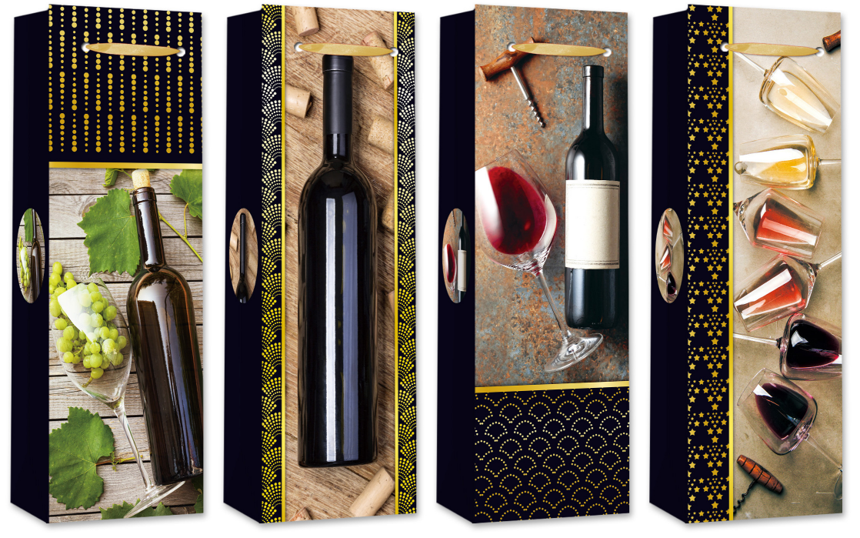 |  | Po 12 kom | VRC303B | PREMIUM BOCA | 12.8*36*8.2 | 8595027438629 | 1.16 | 1.45
70 | 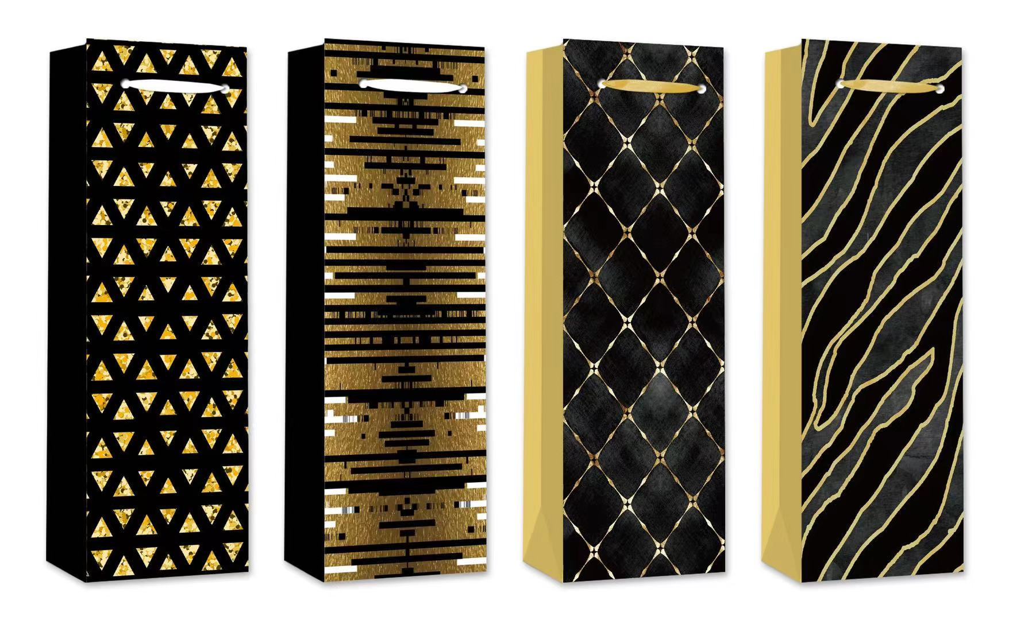 |  | Po 12 kom | VRC305B | PREMIUM BOCA | 12.8*36*8.2 | 8595027438629 | 1.16 | 1.45
71 | 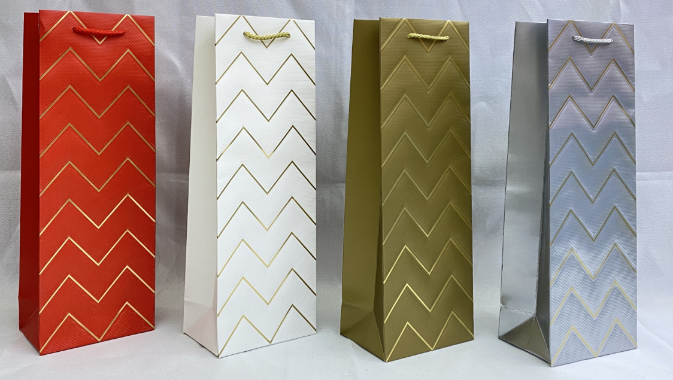 |  | Po 12 kom | VRC322B | PREMIUM BOCA | 12.8*36*8.2 | 8595027438629 | 1.16 | 1.45
72 | 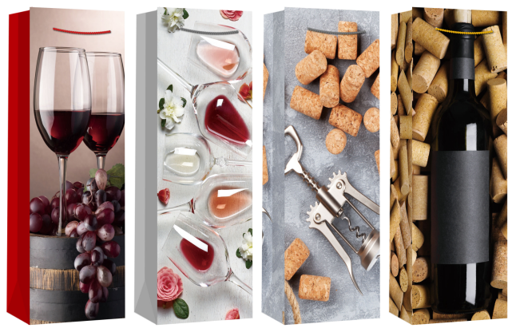 |  | Po 12 kom | VRC323B | PREMIUM BOCA | 12.8*36*8.2 | 8595027438629 | 1.16 | 1.45
73 | 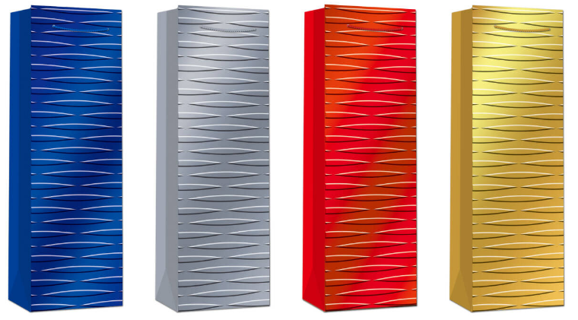 |  | Po 12 kom | VRC357B | PREMIUM BOCA | 12*36*10 | 8595027438629 | 1.16 | 1.45
74 | 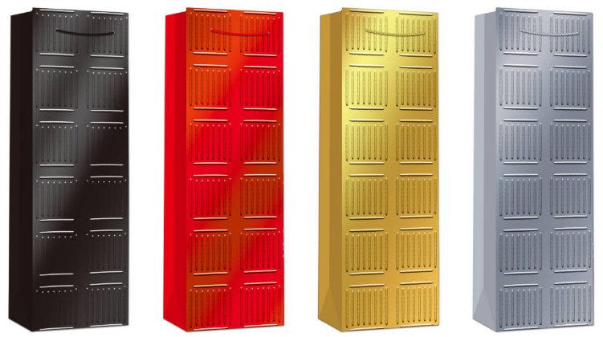 |  | Po 12 kom | VRC358B | PREMIUM BOCA | 12*36*10 | 8595027438629 | 1.16 | 1.45
75 | 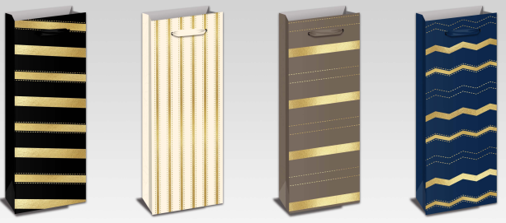 |  | Po 12 kom | VRC502B | PREMIUM BOCA | 12.8*36*8.2 | 8595027438629 | 1.16 | 1.45
76 | 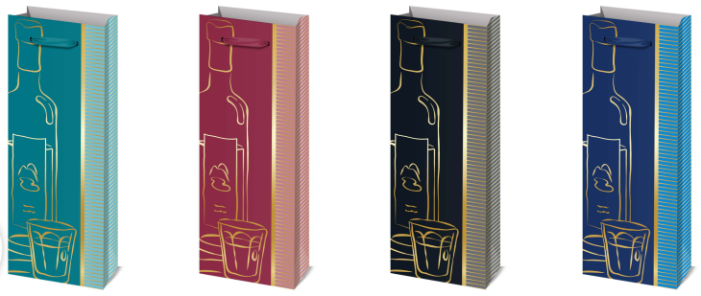 |  | Po 12 kom | VRC513B | PREMIUM BOCA | 12*36*10 | 8595027438629 | 1.16 | 1.45
77 | 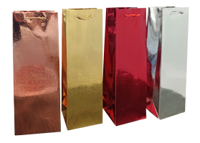 |  | Po 12 kom | VRC901B | PREMIUM BOCA | 12.8*36*8.2 | 8595027438629 | 1.16 | 1.45

 | REKAPITULACIJA NARUDŽBE |  | Mueller
 | Premium S | 0 | 119544
 | Premium M | 0 | 119595
 | Premium L | 0 | 119653
 | Premium XL | 0 | 119662
 | Premium BOCA | 0 | 119624

 | SLOVENIJA
 | Vrsta | Dimenzije | Barcode | VPC | MPC
 | PREMIUM S | 11*14*6.5 | 8595027438445 | 0.76 € | 0.95 €
 | PREMIUM M | 18*23*10 | 8595027438438 | 1.12 € | 1.40 €
 | PREMIUM L | 26*32*12 | 8595027438421 | 1.52 € | 1.90 €
 | PREMIUM XL | 31*42*12 | 8595027440035 | 1.88 € | 2.35 €
 | PREMIUM BOCA | 12*36*8.5 | 8595027438629 | 1.16 € | 1.45 €

BASIC_UNICOLOR
Pozicija polica | Slika | NARUDŽBA | Naručivanje | Šifra | Naziv | Dimenzija (cm) | Barcode | VPC | MPC
 |  |  | Po 12 kom | VRYY1105K-M | BASIC / UNICOLOR M | 15*20*7 | 3858888686086 | € 0.95 | 1.19
 | 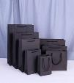 |  | Po 12 kom | VRYY1105B-M | BASIC / UNICOLOR M | 15*20*7 | 3858888686086 | € 0.95 | 1.19
 |  |  | Po 12 kom | VRYY1106K-M | BASIC / UNICOLOR M | 22*18*8 | 3858888686086 | € 0.95 | 1.19
 |  |  | Po 12 kom | VRYY1106B-M | BASIC / UNICOLOR M | 22*18*8 | 3858888686086 | € 0.95 | 1.19
 |  |  | Po 12 kom | VR14025L | BASIC / UNICOLOR L | 26*32*12 | 3858888686093 | € 1.35 | 1.69
 |  |  | Po 12 kom | VRYY1105K-L | BASIC / UNICOLOR L | 20*28*10 | 3858888686093 | € 1.35 | 1.69
 |  |  | Po 12 kom | VRYY1105B-L | BASIC / UNICOLOR L | 20*28*10 | 3858888686093 | € 1.35 | 1.69
 |  |  | Po 12 kom | VRYY1106K-L | BASIC / UNICOLOR L | 27*21*10 | 3858888686093 | € 1.35 | 1.69
 |  |  | Po 12 kom | VRYY1106B-L | BASIC / UNICOLOR L | 27*21*10 | 3858888686093 | € 1.35 | 1.69
 |  |  | Po 12 kom | VR14011L | BASIC / UNICOLOR L | 27*21*11 | 3858888686093 | € 1.35 | 1.69
 |  |  | Po 12 kom | VR14028L | BASIC / UNICOLOR L | 27*21*12 | 3858888686093 | € 1.35 | 1.69
 |  |  | Po 12 kom | VR14025XL | BASIC / UNICOLOR XL | 31*40*12 | 3858888686109 | € 1.59 | 1.99
 | 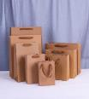 |  | Po 12 kom | VRYY1105K-XL | BASIC / UNICOLOR XL | 28*33*10 | 3858888686109 | € 1.59 | 1.99
 | 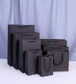 |  | Po 12 kom | VRYY1105B-XL | BASIC / UNICOLOR XL | 28*33*10 | 3858888686109 | € 1.59 | 1.99
 |  |  | Po 12 kom | VR14031XL | BASIC / UNICOLOR XL | 28*33*11 | 3858888686109 | € 1.59 | 1.99
 |  |  | Po 12 kom | VR12055XL | BASIC / UNICOLOR XL | 28*33*12 | 3858888686109 | € 1.59 | 1.99
 |  |  | Po 12 kom | VR14011XL | BASIC / UNICOLOR XL | 28*33*13 | 3858888686109 | € 1.59 | 1.99
 |  |  | Po 12 kom | VRYY1083K-B | BASIC / UNICOLOR BOCA | 12.5*36*8.5 | 3858888686116 | € 1.03 | 1.29
 |  |  | Po 12 kom | VRYY1083S-B | BASIC / UNICOLOR BOCA | 12.5*36*8.6 | 3858888686116 | € 1.03 | 1.29

